Consul
Consul
 | Install
 |  | Using Amd64 version
 |  | extract to folder
 |  | Create data and log folder with config.json
 |  | consul.exe agent -server -bootstrap -config-file="config/config.json"
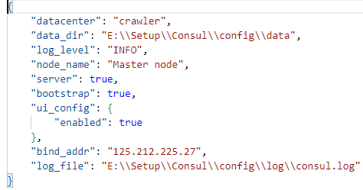
 |  |  | consul will initialize all files
 |  | Ctrl C to close consul instance
 |  | Run consul as service
 |  |  | sc.exe create "Consul" binPath= "E:\\Setup\\Consul\\consul.exe agent -config-dir=E:\\Setup\\Consul\\config" start= auto

